Feature Story

Input
Variable Name | Source
Story Title | embedly |  | options menu
Category Tag | embedly |  | photo
Story Content | embedly
Story Link | Feedzilla
photo | embedly |  | category tag
Categories of Interest | UserDefaults -> only if signed in |  | Title
 |  |  | content
Link to
options menu

Gestures
swipe up for full story -> will blur picture
swipe down for save and share
swipe left / right for new story

Output
Variable Name | Used in | Function
Story Title | Favorite Stories | Save
Category Tag | Favorite Stories | Save
Story Content | Favorite Stories | Save
Story Link | Favorite Stories | Save
Story Link | copy URL to clipboard | Share
Photo | Favorite Stories | Save
Saved Stories Plist

Options Menu
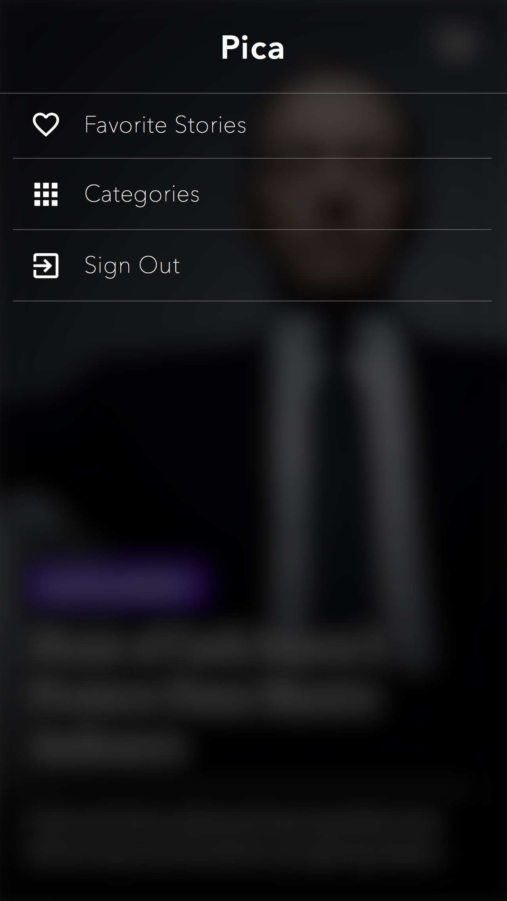
Input
Variable Name | Source
n/a
 |  |  | link to favorite stories
 |  |  | link to filter categories of interest
Link to |  |  | link to sign in / out
Sign in / Sign out |  |  | link to create account
Categories List
Create Account | Only seen if not signed in |  | click anywhere to exit to story
Favorite Stories

Gestures
Click anywhere to exit to story

Output
Variable Name | Used in | Function
n/a

Create Account
Welcome , Please create account
already have an account? sign in
✗
Input
Variable Name | Save to
n/a
 |  |  | exit to feauture story
Link to |  |  | user name
Sign In |  |  | user password
feature story

user name
Gestures |  |  | link to sign in
n/a

user password
Output
Variable Name | Used in | Function
User Name | Sign in | create account -> user defaults
Category Tag | Favorite Stories | create account -> user defaults

Sign In
Welcome , Please sign into your account
new to pica? Create Account
✗
Input
Variable Name | Source | Validate?
User Name | User Defaults | Yes
User Password | User Defaults | Yes
 |  |  | exit to feature story
Link to
create account |  |  | user name text box
feature story
 |  |  | password text box
user name
Gestures
n/a |  |  | link to create account

user password
Output
Variable Name | Used in | Function
username | favorite stories PLIST | userFavoritesList

Categories List
NOTE: ONLY ENABLED WHEN SIGNED IN

Please check the categories you are interested in:
new to pica? Create Account
✗
Input
Variable Name | Source
List of Categories | Embedly
User Name | User Defaults
Saved Categories | User Defaults
 |  |  | exit to feature story
Link to
feature story |  |  | category tiles
Entertainment ☑
Gestures |  |  | select / deselect
n/a
Sports ☐
Output
Variable Name | Used in | Function
Categories of Interest | User Defaults | Categories of Interest -> Feauture Story

Favorites Stories
NOTE: ONLY ENABLED WHEN SIGNED IN

Your Favorites
✗
Input
Variable Name | Source
Saved Stories Plist | User Defaults
User Password | User Defaults |  | exit to feature story
Story Title | Saved Stories PLIST
category title | Saved Stories PLIST
story link | Saved Stories PLIST
USA is #2 for education... ☑
Israel to comment on r... ☑
 |  |  | select / deselect to keep in favorites
Link to
feature story |  |  | favorites tiles

Gestures
select / deselect favorites | Saved Stories PLIST

Output
Variable Name | Used in | Function
username | favorite stories PLIST | userFavoritesList

